Model-Related
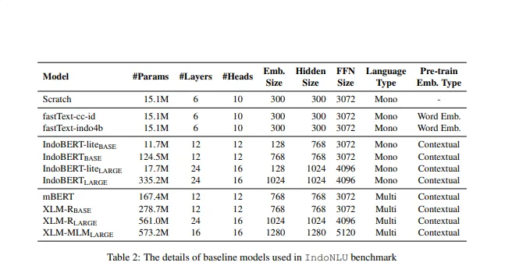
MODEL RELATED HYPERPARAMETER SEARCH

Model | Hidden Layer | Hidden Size | Attention Head | Accuracy | Recall | Precision
IndoBERT-Base-Lite | 12 | 768 | 12

IndoBERT-Base | 12 | 768 | 12

IndoBERT-Large-Lite | 24 | 1024 | 16

IndoBERT-Large | 24 | 1024 | 16

Train-Related
TRAIN RELATED HYPERPARAMETER SEARCH

Run | Epoch | Learning Rate | Batch Size | Accuracy | Recall | Precision | Di tabel ini menggunakan tiga pilihan nilai untuk setiap parameter:
1 | 10 | 0.001 | 16
2 | 10 | 0.001 | 32 |  |  |  | Epoch: 10, 20, 30
3 | 10 | 0.001 | 64 |  |  |  | Learning Rate: 0.001, 0.01, 0.1
4 | 10 | 0.01 | 16 |  |  |  | Batch Size: 16, 32, 64
5 | 10 | 0.01 | 32
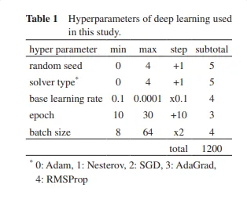
6 | 10 | 0.01 | 64
7 | 10 | 0.1 | 16
8 | 10 | 0.1 | 32
9 | 10 | 0.1 | 64
10 | 20 | 0.001 | 16
11 | 20 | 0.001 | 32
12 | 20 | 0.001 | 64
13 | 20 | 0.01 | 16
14 | 20 | 0.01 | 32
15 | 20 | 0.01 | 64
16 | 20 | 0.1 | 16
17 | 20 | 0.1 | 32
18 | 20 | 0.1 | 64
19 | 30 | 0.001 | 16
20 | 30 | 0.001 | 32
21 | 30 | 0.001 | 64
22 | 30 | 0.01 | 16
23 | 30 | 0.01 | 32
24 | 30 | 0.01 | 64
25 | 30 | 0.1 | 16
26 | 30 | 0.1 | 32
27 | 30 | 0.1 | 64

